General Election
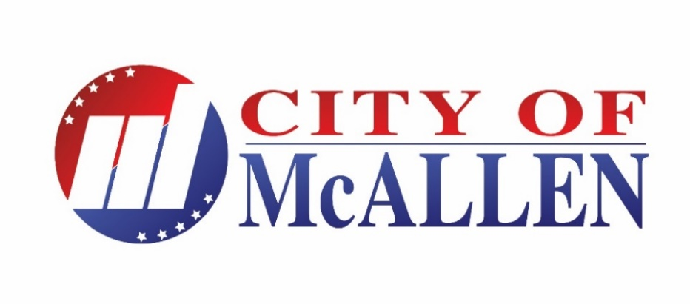 Official Results

73,468 Registered voters pursuant to certified count provided by the Hidalgo County Voter Registrar's Office | McAllen Board of Commissioners |  |  |  |  |  |  |  |  |  |  |  | MPUB TRUSTEES |  | TOTAL
 | Mayor |  |  |  |  | District 1 |  |  | District 2 | District 3 |  |  | Place A | Place D | VOTES
 | Rashid | Whitacre | Fallek | Villalobos | Brand,Jr. | Wilkins | Aguirre, Jr. | Thompson | Zamora | Reyna | Quintanilla | Tamez | Amos | Williams | CAST
District 1 - Gonzalez Elementary | 93 | 189 | 198 | 236 | 150 | 225 | 315 | 284 |  |  |  |  | 604 | 598 | 868

District 2 - Lark Community Ctr. | 79 | 91 | 106 | 136 | 126 |  |  |  | 389 |  |  |  | 370 | 353 | 540

District 3 - Lincoln Middle School | 64 | 61 | 60 | 121 | 80 |  |  |  |  | 98 | 179 | 95 | 277 | 239 | 389

District 4 - Palm View Community Ctr. | 37 | 23 | 18 | 49 | 41 |  |  |  |  |  |  |  | 108 | 103 | 171

District 5- McAllen High School | 54 | 105 | 84 | 81 | 89 |  |  |  |  |  |  |  | 260 | 261 | 414

District 6 - Fields Elementary School | 47 | 166 | 101 | 71 | 91 |  |  |  |  |  |  |  | 315 | 329 | 478

ELECTION DAY TOTALS | 374 | 635 | 567 | 694 | 577 | 225 | 315 | 284 | 389 | 98 | 179 | 95 | 1934 | 1883 | 2860
EARLY VOTING

Personal Appearance | 653 | 1697 | 1659 | 1812 | 1144 | 486 | 859 | 699 | 851 | 204 | 322 | 210 | 4716 | 4616 | 7020

Mail Ballots/Provisional Ballots | 14 | 49 | 43 | 104 | 28 | 12 | 14 | 21 | 18 | 5 | 10 | 8 | 177 | 184 | 239

TOTALS | 1041 | 2381 | 2269 | 2610 | 1749 | 723 | 1188 | 1004 | 1258 | 307 | 511 | 313 | 6827 | 6683 | 10119
Percentage | 10.36% | 23.69% | 22.58% | 25.97% | 17.40% | 24.80% | 40.75% | 34.44% | 100.00% | 27.14% | 45.18% | 27.67% | 100.00% | 100.00%

District 6 - Special Election
 Official Results

District 6 - 11,996 Registered voters pursuant to certified count provided by the Hidalgo County Voter Registrar's Office | McAllen Board of Commissioners - Special Election |  |  |  |  | TOTAL
 | District 6 - Unexpired Term |  |  |  |  | VOTES
 | Gutierrez | Salinas | Cabeza deVaca | Perez | Esparza | CAST
District 6 - Fields Elementary School | 63 | 12 | 226 | 46 | 112 | 478

ELECTION DAY TOTALS | 63 | 12 | 226 | 46 | 112 | 478
EARLY VOTING

Personal Appearance | 168 | 51 | 642 | 119 | 361 | 7020

Mail Ballots/Provisional Ballots | 9 | 3 | 12 | 4 | 6 | 239

TOTALS | 240 | 66 | 880 | 169 | 479 | 7737
Percentage | 13.09% | 3.60% | 47.98% | 9.21% | 26.12%

Place B - Special Election
 Official Results

73,468 Registered voters pursuant to certified count provided by the Hidalgo County Voter Registrar's Office | MPUB Trustees |  |  | TOTAL
 | Place B - Unexpired Term |  |  | VOTES
 | Godinez | Enriquez | Goldammer | CAST
District 1 - Gonzalez Elementary | 380 | 178 | 182 | 868

District 2 - Lark Community Ctr. | 238 | 127 | 93 | 540

District 3 - Lincoln Middle School | 165 | 108 | 57 | 389

District 4 - Palm View Community Ctr. | 79 | 37 | 26 | 171

District 5- McAllen High School | 192 | 74 | 94 | 414

District 6 - Fields Elementary School | 211 | 87 | 107 | 478

ELECTION DAY TOTALS | 1265 | 611 | 559 | 2860
EARLY VOTING

Personal Appearance | 3335 | 1519 | 1218 | 7020

Mail Ballots/Provisional Ballots | 138 | 46 | 28 | 239

TOTALS | 4738 | 2176 | 1805 | 10119
Percentage | 54.34% | 24.96% | 20.70%

Propositions - Special Election
 Official Results

 | 73,468 Registered voters pursuant to certified count provided by the Hidalgo County Voter Registrar's Office | Proposition "A" Term Limits |  | Proposition "B" Eligibility For Office |  | Proposition "C" General Updates |  | Total Votes Cast
 |  | For | Against | For | Against | For | Against
 | District 1 - Gonzalez Elementary | 757 | 75 | 769 | 46 | 576 | 230 | 868
 | District 2 - Lark Community Center | 468 | 43 | 482 | 28 | 377 | 124 | 540
 | District 3 - Achieve Early College | 324 | 32 | 340 | 16 | 270 | 86 | 389
 | District 4 - Palmview Community Center | 130 | 19 | 140 | 11 | 115 | 38 | 171
 | District 5 - McAllen High School | 359 | 31 | 367 | 17 | 276 | 92 | 414
 | District 6 - Fields Elementary | 419 | 28 | 430 | 22 | 322 | 119 | 478
 | ELECTION DAY TOTALS | 2457 | 228 | 2528 | 140 | 1936 | 689 | 2860
 | EARLY VOTING

 | Personal Appearance | 5910 | 661 | 6202 | 342 | 4888 | 1567 | 7020

 | Mail Ballots/Provisional Ballots | 199 | 23 | 210 | 14 | 166 | 43 | 239

 | TOTALS | 8566 | 912 | 8940 | 496 | 6990 | 2299 | 10119
 | Percentage | 90.38% | 9.62% | 94.74% | 5.26% | 75.25% | 24.75%

